A3 Steps
Current Condition
Paneer cheeseburger cream cheese. Queso fromage who moved my cheese camembert de normandie cheesy feet parmesan cheese on toast cut the cheese. Cheesecake red leicester mascarpone hard cheese babybel cut the cheese manchego mozzarella.
Target Condition
Veggies es bonus vobis, proinde vos postulo essum magis kohlrabi welsh onion daikon amaranth tatsoi tomatillo melon azuki bean garlic. Gumbo beet greens corn soko endive gumbo gourd.
TOYOTA 8 STEP PROBLEM SOLVING PROCESS
Step and objective | Tools used
Step 1: Clarify the Problem
GAP
Esse chillwave fashion axe messenger bag echo park. Culpa disrupt plaid pariatur nostrud.
Why am I looking at this problem? What is the problem? Who is interested in the problem? What benefit does solving this problem have for me? How does it help to address the goals of the business? | Voice of the customer
 | Stakeholder analysis
 | Is/is not analysis
Step 2: Breakdown the Problem
What is the size of the problem? What data do I have? What are the component parts of this problem? How much will I address at this point? | Tree breakdown and process
Step 3: Set the Target.
Root
Total.
What outcome do I want? Visualise the desired results. Using the data, set a measurable and realistic goal. | Goal setting. Agreement with stakeholders on outcome
Step 4: Analyse the Root Cause
Issue 1
Quantity 1
Issue 2
Quantity 2
Issue N
Quantity N
Clarify the root cause. Consider as many potential cause factors as possible. | Interviews, 5 whys, cause and effects analysis, regression & correlation, process capability analysis
Step 5: Develop Countermeasures
List as many potential countermeasures as possible. Identify an effective countermeasure that directly addresses the root cause. | Brainstorming
Issue 1.1
Quantity 11
Issue 1.2
Quantity 12
Issue 2.1
Quantity 21
Issue 2.2
Quantity 22
Issue N.1
Quantity N1
Issue N.2
Quantity N2
 | Options Matrix
Step 6: Pick a Countermeasure and implement
Select the most practical and effective countermeasure. Create a clear and detailed action plan. Implement quickly. | Action plan
Process 1
Process 2
Process 3
Process 4
Process 5
Process 6
 | Gantt chart
Step 7: Monitor Results & Process
Point of Occurrence
Monitor progress and report findings to stakeholders. It may require more than one attempt to get the desired result. Mistakes are an important part of the learning process. | Run chart, control chart
Step 8: Standardise & Share Success
Document the new process and set as new standard. Share the new standard through Horizontal deployment. Reflect and celebrate success. Start the next Improvement! | Standard work

A3 Template
Your team logo and project name
A3 No. and Name |  | Team members (name & role) |  | Stakeholders (role & department) |  | Company objective
Team 7 |  | 1. | Dhruv | 1. | AI & ML Coordinator, Conestoga College
 |  | 2. | Ankit | 2. | Potential Client name(s)
Team Leader (name & 'phone ext) |  | 3. | Jimit | 3. | Other Conestoga College stakeholder(s) | Start date & planned duration
 |  | 4. | Jay and vishal | 4.

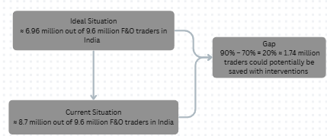
1. Clarify the problem |  |  |  | 4. Analyse the Root Cause |  |  | 7. Monitor Results & Process
 |  |  |  | 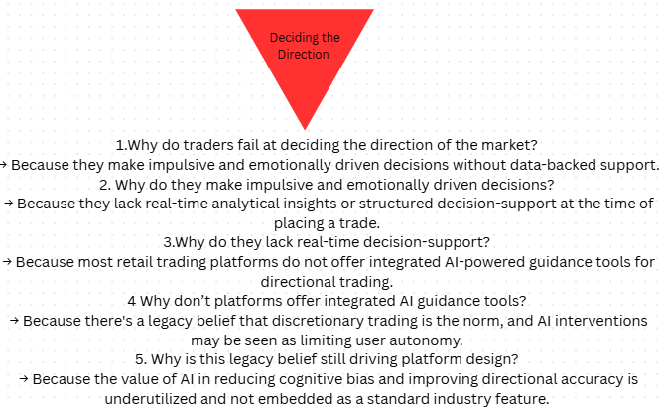

2. Breakdown the problem
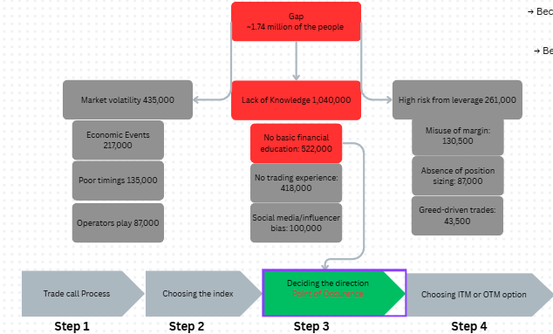

 |  |  |  |  |  |  | 8. Standardise & Share Success

 |  |  |  | 5. Develop Countermeasures

 |  |  |  | 6. Implement Countermeasure

3. Set the Target
1 | Reduce the number of derivative traders experiencing losses from 90% to 70% within 3 months
2 | Deliver personalized trading education modules
3 | Achieve a 50% increase in stop-loss compliance
4

